Measurements
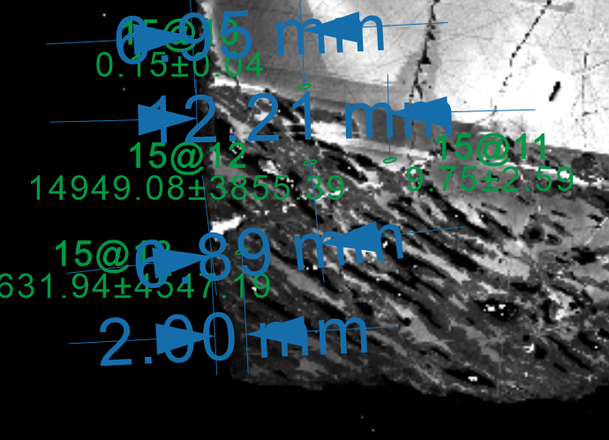
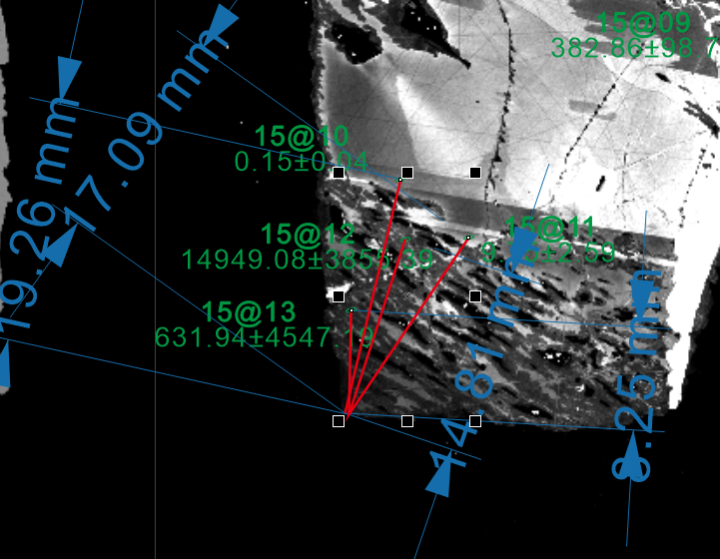
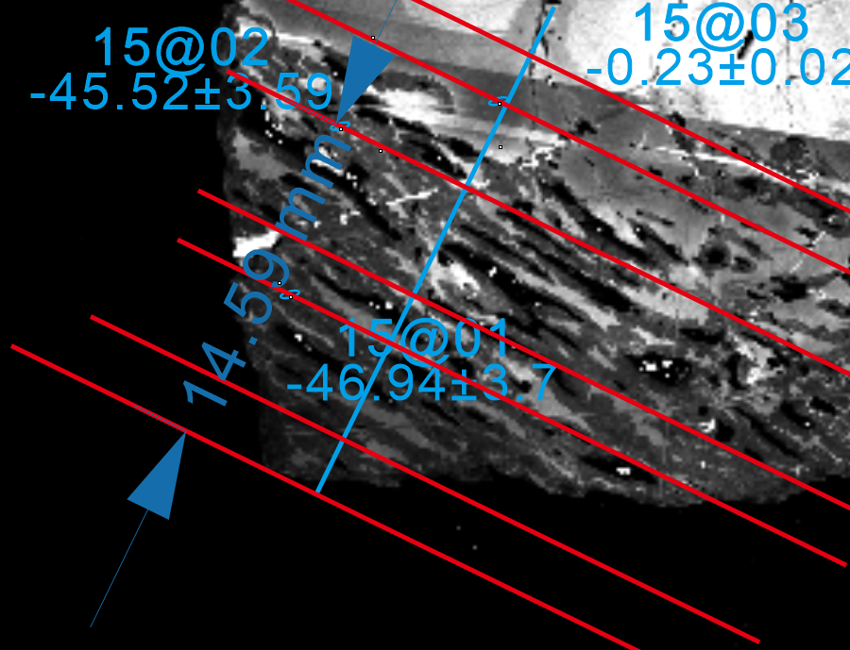
 | d29Si | SE(Prop) | Distance from edge CDR unit | Distance from reaction front CDR unit | distance from cube corner | distance from cube corner in μm | lenth of 5μm CDR unit
Si_15@1.asc | 20051.25 | 5171.12 | 1.05 |  | 9.94 | 153.39506173 | 0.324
Si_15@2.asc | 159.70 | 41.19 | 6.61 |  | 14.54 | 224.38271605
Si_15@3.asc | 1.37 | 0.35 | 12.47 | 16.83 | 18.42 | 284.25925926
Cube Distance Measurement Discussion
John and Pan discussed measuring distances in a cube-related model, focusing on the distance from the cube edge and the reaction front. They agreed that measuring from the cube corner would be more accurate, as porosity channels start there, and the distance should be measured along a line perpendicular to these channels. Pan planned to provide a new set of values labeled based on the reaction front and intended to check if these values correlated well with the mechanism.
Si_15@4.asc | 0.95 | 0.24 | 17.31 | 17.86 | 23.14 | 357.09876543
Si_15@5.asc | 0.20 | 0.05 |  |  | 37.13 | 572.99382716
Si_15@6.asc | -0.26 | 0.07 |  |  | 34.58 | 533.64197531
Si_15@7.asc | 2.30 | 0.60 |  |  | 38.56 | 595.0617284
Si_15@8.asc | 245.32 | 63.32 | 4.42 |  | 48.68 | 751.2345679
Si_15@9.asc | 382.86 | 98.74 | 6.77 |  | 42.43 | 654.78395062
Si_15@10.asc | 0.15 | 0.04 | 6.66 | 19.24 | 18.69 | 288.42592593
Si_15@11.asc | 9.75 | 2.59 | 11.92 | 17.01 | 16.88 | 260.49382716
Si_15@12.asc | 14949.08 | 3855.39 | 6.89 | 14.72 | 14.43 | 222.68518519
Si_15@13.asc | 17631.94 | 4547.19 | 2.08 | 8.29 | 7.54 | 116.35802469

 | d18O | SE(Prop)
15@1.asc | -46.9 | 3.7 | 2.56 | 7.57 | 7.19 | 110.95679012
15@2.asc | -45.5 | 3.6 | 5.37 | 15.15 | 14.59 | 225.15432099
15@3.asc | -0.2 | 0.0 | 12.08 | 18.78 | 18.51 | 285.64814815
15@4.asc | -1.1 | 0.1 | 9.53 | 21.38 | 20.86 | 321.91358025
15@5.asc | -5.7 | 0.5 |  |  | 39.98 | 616.97530864
15@6.asc | -3.3 | 0.3 |  |  | 43.21 | 666.82098765
15@7.asc | -0.8 | 0.1 |  |  | 46.02 | 710.18518519
15@8.asc | -29.9 | 2.4 |  |  | 48.94 | 755.24691358
15@9.asc | -3.3 | 0.3 |  |  | 51.41 | 793.36419753
15@10.asc | -48.7 | 3.8 | 1.85 |  | 11.26 | 173.7654321
15@11.asc | -1.5 | 0.1 | 7.2 |  | 18.42 | 284.25925926

Example for distance from edge |  |  |  | Example for distance from reaction front |  | distance from cube corner

Plots
distance from cube corner in μm | d29Si | SE(Prop) | distance from cube corner in μm | d18O | SE(Prop)
116.35802469 | 17631.93804 | 4547.1932664 | 110.95679012 | -46.93533545 | 3.7025908458
153.39506173 | 20051.252353 | 5171.121666 | 173.7654321 | -48.659374544 | 3.8371214837
222.68518519 | 14949.084377 | 3855.3890606 | 225.15432099 | -45.522731068 | 3.5903977748
224.38271605 | 159.70438522 | 41.189763712 | 284.25925926 | -1.5126610718 | 0.12145484898
260.49382716 | 9.7465632705 | 2.5875363439 | 285.64814815 | -0.23481940974 | 0.018716742542
284.25925926 | 1.369879041 | 0.35493963605 | 321.91358025 | -1.1459569803 | 0.091698688886
288.42592593 | 0.15414133503 | 0.039870462272 | 616.97530864 | -5.7310175445 | 0.45657699605
357.09876543 | 0.94728139296 | 0.24499472028 | 666.82098765 | -3.3459915214 | 0.26830220622
533.64197531 | -0.25623151858 | 0.066302633332 | 710.18518519 | -0.80402307242 | 0.065838590673
572.99382716 | 0.20289761675 | 0.052460055663 | 755.24691358 | -29.86516384 | 2.3623411286
595.0617284 | 2.303567376 | 0.59710360079 | 793.36419753 | -3.3309236365 | 0.26703271875
654.78395062 | 382.85714507 | 98.740180068
751.2345679 | 245.32213954 | 63.322554762

Reaction front
Replacement zone
Metamict ZrSiO₄

Replacement
zone

